Sheet1
BLUSALT - Opencart
opecart | MODULE | TEST SCENARIO | PREREQUISITE | TEST STEP | TEST DATA | EXPECTED RESULT | ACTUAL RESULT | STATUS | OBSERVATION

TC001 | Registration and Login | 1. Verify that the web page displays successfully | 1. The URL Must be available 2. Must be a NEW USER | Enter the URL in a browser | https://demo.opencart.com/ | Web page should display successfully | Page Displayed successfully | PASS

 |  | 1.1 Verify that the user can view the completely loaded web page and its fields. |  | 1. View to see that the page loads completely and displays all fields |  | 1. User should see the complete page fully loaded. | As expected | PASS

 |  | 2. Verify that a new user can register successfully |  | 1. Navigate to the registration page from the dashboard. 2. Select "register" option. 3. Enter a First name. 4. Enter a Last name 5. Enter a password 6 Enter email 7. Accept privacy policy 8. Click on Continue | 1. don 2. casy 3. iamdoncasy 4. casy@gmail.com 5. https://demo.opencart.com/en-gb?route=account/register | 1. User should be able to register successfully

 |  | 2.1. Verify that all fields are clickable. |  | 1. Click on each and every box to ascertain that the link to the expected pages |  | 1. All pages should be clickable and linking as designed | As expected | PASS

 |  |  |  |  |  |  |  | PASS
 |  | 2.2. Verify that the user can proceed from register stage to the next stage successfully. |  | 1.Enter details 2. Click Continue | Valid User information | 1. User should receive a Sucess Register welcome message and be able to navigate the site successfully | As expected

 |  |  |  |  |  |  |  | PASS
 |  | 2.3. Verify that an error message is displayed when mandatory fields are left blank upon submission. |  | 1. Navigate to the registration page from the dashboard. 2. Select "register" option. 3. Leave any mandatory field (e.g. first name or email) blank. 4. Attempt to continue the process. | Valid user information https://demo.opencart.com/en-gb?route=account/register | 1. User should to receive an error message displayed when mandatory fields are left blank. | As expected

 |  | 2.4. Verify that the user cannot complete registration without clicking the privacy policy |  | 1. Enter all required parameters correctly 2. Leave the Privacy Policy unclicked 3. Click on continue | Valid user information | 1. User should not be able to proceed to the next phase successfully | As expected | PASS
 |  |  | 1. User must have been registered |  |  |  |  | PASS
 |  | 3. Verify that the login page displays as expected |  | 1. View to see that the page loads completely and displays all details |  |  | As expected

 |  |  |  |  |  |  |  | PASS
 |  | 3. 1. Verify that the user can login successfully after all input fields are filled. |  | 1. Navigate to the registration page from the dashboard. 2. Select "register" option. 3. Enter a valid Username. 4. Enter a valid password 5. Click on "Continue" | 1. casy@gmail.com 2. iamdoncasy 3. https://demo.opencart.com/en-gb?route=account/login | 1. User should be able to login | As expected

 |  |  |  |  |  |  |  | PASS
 |  | 3. 2. Verify that unregistered user cannot login successfully |  | 1. Enter an invalid username 2. Enter a valid password 3. Click on "Continue" | 1. casydon@gmail.com 2. doncasy | User should not be able to login | As expected

 |  |  |  |  |  |  |  | PASS
 |  | 3. 3 Verify that a registered user cannot login without filling all valid details |  | 1. Leave the username and password parameters blank 2. Click on "Continue" |  | User should not be able to login | As expected

 |  | 3.4. Ensure that user can use alphanumerics and special character as a USERNAME. |  | 1. Enter Alphabet 2. Enter Numbers 3. Enter Alphanumeric | c@sy1@gmail.com | User should be able to use alphanumerics and special character as USERNAME. | As expected | PASS

 |  | 3.5. Ensure that user can enter PASSWORD in the input field |  | Enter PASSWORD | Password must be available | User should be able to enter PASSWORD using alphanumerics and special characters PASSWORD. | As expected | PASS

TC002 | Shopping Cart and Checkout | 1. Verify that the user can view the completely loaded web page and all its fields. | 1. USER must be logged in (where applies) | 1. View to see that the page loads completely and displays all fields | https://demo.opencart.com/en-gb?route=checkout/cart | 1. User should see the complete page fully loaded. | As expected | PASS

 |  | 2. Verify that user can add items to shopping cart successfully |  | 1. Navigate to the OpenCart demo website. 2. Browse the product catalog. 3. Select an item and click the "Add to Cart" button. 4. Check the shopping cart icon to see if the item count has been updated. 5. Open the shopping cart to verify that the correct item has been added. |  | 1. The item is successfully added to the shopping cart. 2. The item count in the shopping cart icon updates accordingly. 3. The correct product details (name, price, quantity) are displayed in the cart. | As expected | PASS

 |  | 3. Verify that users can update the quantity of an item in the shopping cart. | Atleast an item must be added to the shopping cart. User should be logged in | 1. Navigate to the shopping cart page. 2. Locate the item in the cart. 3. Change the quantity of the item (e.g., from 1 to 2). 4. Click the "Update" button. 5. Verify that the quantity and total price update accordingly. |  | 1. The item quantity and total price should update based on the user’s input. |  | PASS | Total number of Items get increased but the Total price does not change until page is refreshed. This change can be reviewed to take effect immediately the update button is clicked.
 |  |  |  |  |  | 1. The shopping cart should reflect the changes immediately. |  | FAILED

 |  | 4. Verify that users can remove items from the shopping cart. |  | 1. Navigate to the shopping cart page. 2. Locate the item in the cart. 3. Click the "Remove" button next to the item. 4. Verify that the item is removed from the shopping cart. |  | 1. The item should be successfully removed from the shopping cart. 2. The total amount should be updated accordingly. 3. The shopping cart should display an empty message if no items remain. |  | FAILED | The effect is not automatic until the page is being generally refreshed. This can be reviewed to take effect immediately.

 |  | 5. Verify that users can proceed to the checkout page with items in the cart. |  | 1. Add an item to the shopping cart. 2. Click the shopping cart icon and select "Checkout." 3. Verify that the user is redirected to the checkout page. 4. Confirm that the items in the cart are listed on the checkout page. |  | 1. The user should be able to proceed to the checkout page without issues. 2. All items added to the cart should be correctly displayed on the checkout page. | As expected | PASS

 |  | 6. Verify that registered users can complete the checkout process after logging in. |  | 1. Add an item to the shopping cart. 2. Proceed to the checkout page. 3. Select the "Guest Checkout" option. 4. Enter the required billing and shipping information. 5. Complete the checkout process. |  | 1. The user should be able to complete the purchase without needing to create an account. 2. A confirmation message should be displayed after the order is placed. | As expected | PASS

 |  | 7. Verify that registered users can complete the checkout process after logging in. | The user must have an active registered account. At least one item must be added to the shopping cart. | 1. Log in to the user account. 2. Add an item to the shopping cart. 3. Proceed to the checkout page. 4. Verify that the user’s saved billing and shipping details are auto-filled. 5. Complete the checkout process.. |  | 1. The registered user should be able to complete the checkout. | As expected | PASS
 |  |  |  |  |  | 2. The registered user should checkout with their saved information displayed. | Information filled did not display | FAILED | A confirmation message should be displayed after the order is placed.

 |  | 8. Verify that the system handles invalid payment information correctly during checkout. | At least one item must be added to the shopping cart. User must be at the payment step of checkout. | 1. Add an item to the shopping cart and proceed to checkout. 2. Enter invalid payment details (e.g., wrong card number). 3. Attempt to complete the checkout process. |  | 1. The system should display an error message indicating the invalid payment details. | Payment box cannot be selected, therefore payment details cannot be entered. | BLOCKED
 |  |  |  |  |  | 2. The user should not be able to complete the purchase until valid payment information is entered. | As expected | PASS

 |  | 9. Verify that users can complete a purchase as a guest without creating an account. | Atleast an item must be added to the shopping cart. User should not be logged in | 1. Add an item to the shopping cart. 2. Proceed to the checkout page. 3. Select the "Checkout" option. 4. Enter the required billing and shipping information. 5. Complete the checkout process. |  | 1. The user should be able to shop without needing to create an account. | As expected | PASS
 |  |  |  |  |  | 2. The user should be able to fill out all shipping details. | As expected
 |  |  |  |  |  | 3. The user should be able to fill out all payment details. | Payment box cannot be selected, therefore payment details cannot be entered. | BLOCKED

 |  | 10. Verify that users can return to shopping page from the shopping cart page. | Atleast an item must be added to the shopping cart. | 1. Add an item to the shopping cart. 2. Proceed to the "Shopping cart / view cart" page. 3. Click on the "Continue Shopping" button. |  | 1. The user should be able to return to shopping from the shopping cart page | As expected | PASS

TC003 | My Account | 1. Verify that the user can view the "My Account" fields. | The URL Must be available | 1. Navigate to the MY ACCOUNT opition from the dashboard. 2. View to see "My Account" option. | https://demo.opencart.com/en-gb?route=common/home | 1. User should be able to view the "MY ACCOUNT" field. | As expected | PASS

 |  | 2. Verify that "My Account" contains REGISTER and LOGIN fields. |  | 1. Navigate to the MY ACCOUNT opition from the dashboard. 2. Click on the "My Account" option to display drop down fields (Register, Login) |  | 1. The "Register" and "Login" options should display in a drop down successfully. | As expected | PASS

 |  | 3. Verify that a user can click the "Register" field on the drop down |  | 1. Navigate to the MY ACCOUNT page from the dashboard. 2. Click the "My Account" option. 3. Click on the "Register" field |  | 1. User should be able to view the REGISTER field. | As expected | PASS
 |  |  |  |  |  | 2. User should be able select the "Register" option. |  | PASS
 |  |  |  |  |  | 3. The register page should open up to receive User's information |  | PASS

 |  | 4. Verify that a user can click the "Login" field on the drop down |  | 1. Navigate to the MY ACCOUNT page from the dashboard. 2. Click the "My Account" option. 3. Click on the "Login" field |  | 1. User should be able to view the LOGIN field. | As expected | PASS
 |  |  |  |  |  | 2. User should be able select the "Login" option. |  | PASS
 |  |  |  |  |  | 3. The Login page should open up to receive User's information |  | PASS

 |  | 5. Verify that the "Register" field is linked to the registration page. |  | 1. Navigate to the MY ACCOUNT page from the dashboard. 2. Click the "My Account" option. 3. Click on the "Register" field |  | 1. The "Register Account" page should open up to receive User's information | As expected | PASS

 |  | 6. Verify that the "Login" field is linked to the Login page. |  | 1. Navigate to the MY ACCOUNT page from the dashboard. 2. Click the "My Account" option. 3. Click on the "Login" field |  | 1. The "Returning Customer" page should open up to receive User's login details | As expected | PASS

 |  | Note:
 |  | Some items cannot be added to the shopping cart, such as Canon and apple Cinema 30

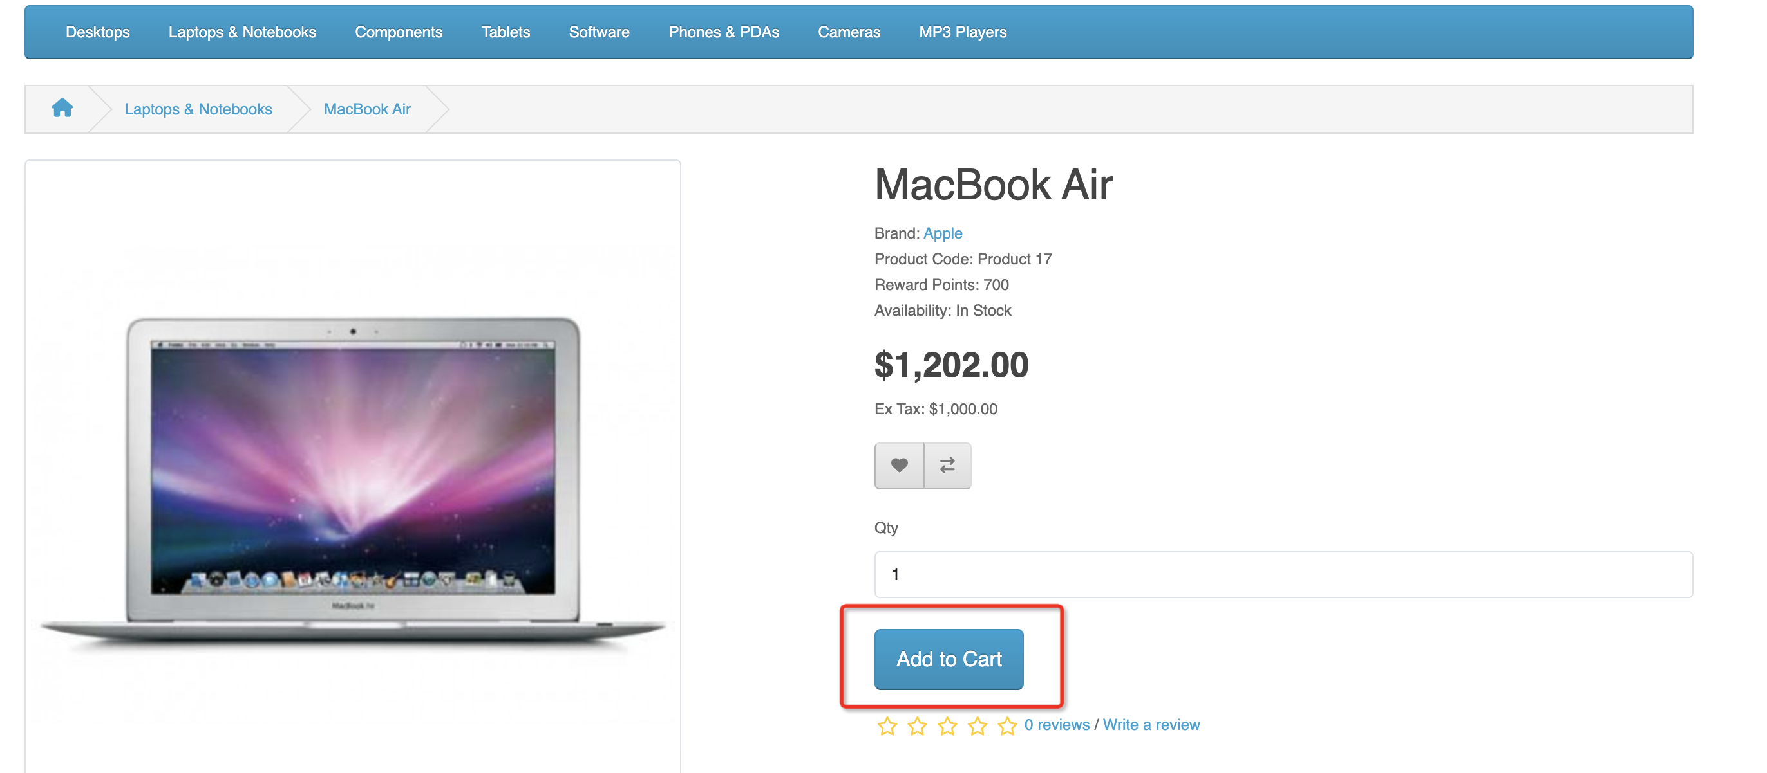

 | Project Name: | Opencart
 | Module Name: | Registration and Login, Shopping Cart and Checkout and My Account
 | Created by: | Castro
 | Date of creation: | 2024-09-20

